4 - PHOTO
PHOTO 1 | PHOTO 2 | PHOTO 3 | PHOTO 4 | PHOTO 5
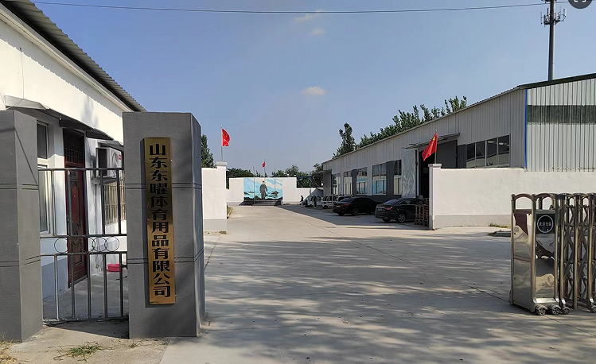 | 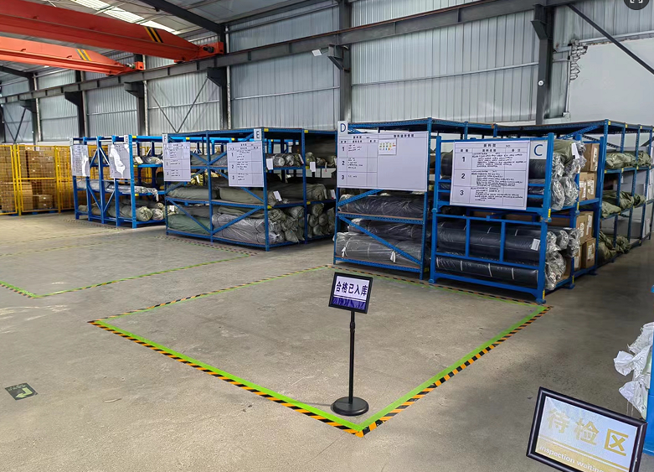 | 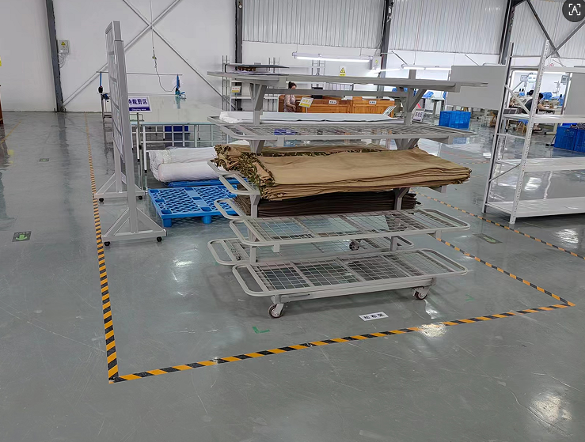 | 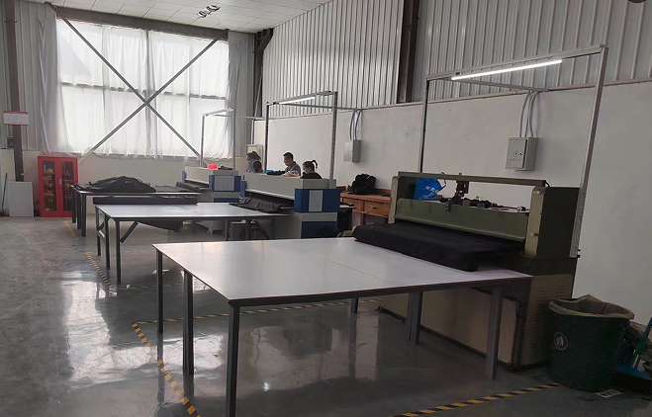 | 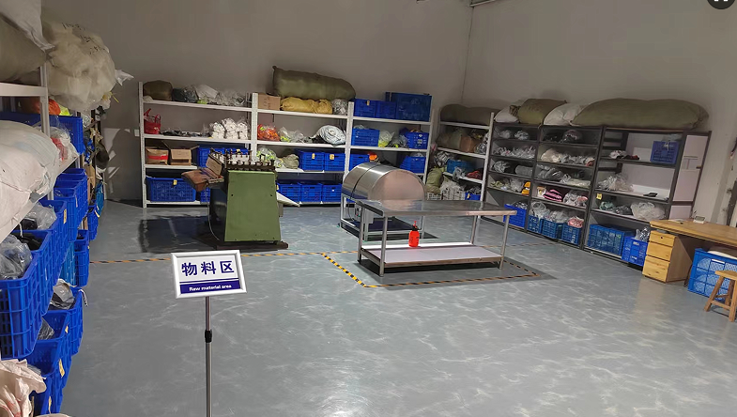
PHOTO 6 | PHOTO 7 | PHOTO 8 | PHOTO 9 | PHOTO 10
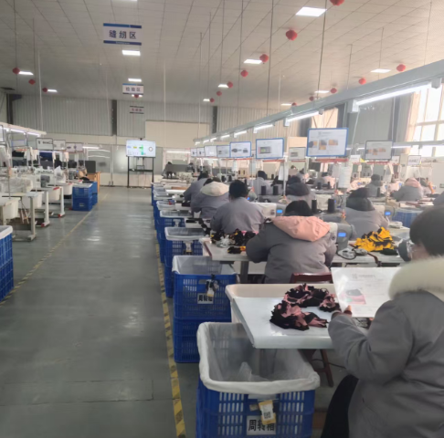 | 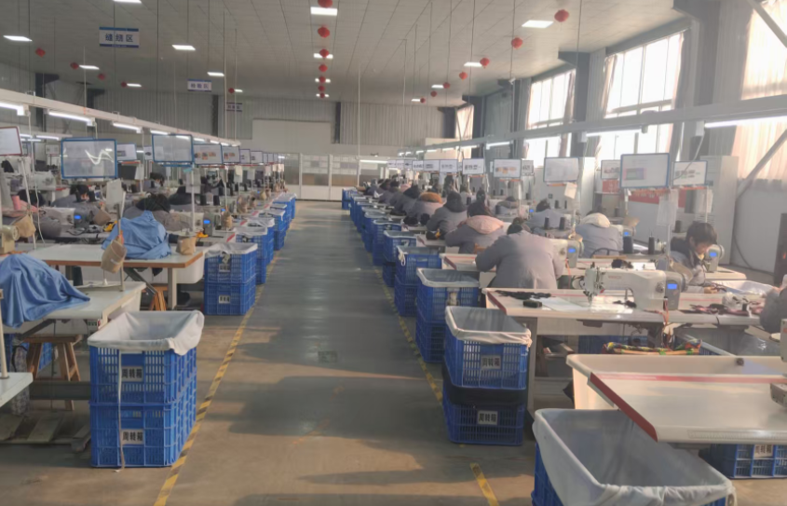 | 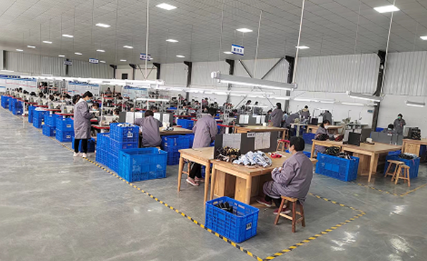 | 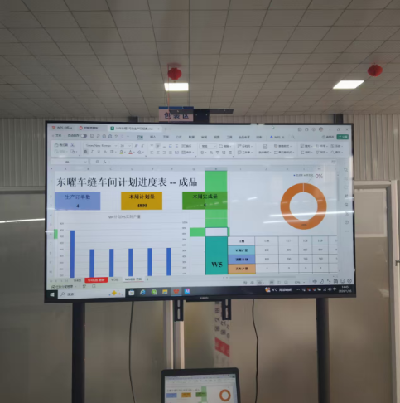 | 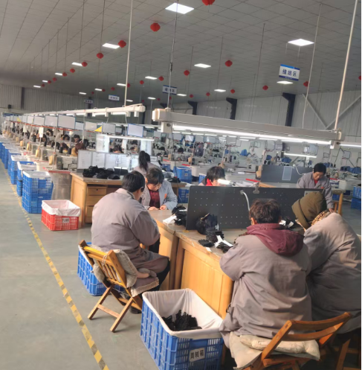
PHOTO 11 | PHOTO 12 | PHOTO 13 | PHOTO 14 | PHOTO 15
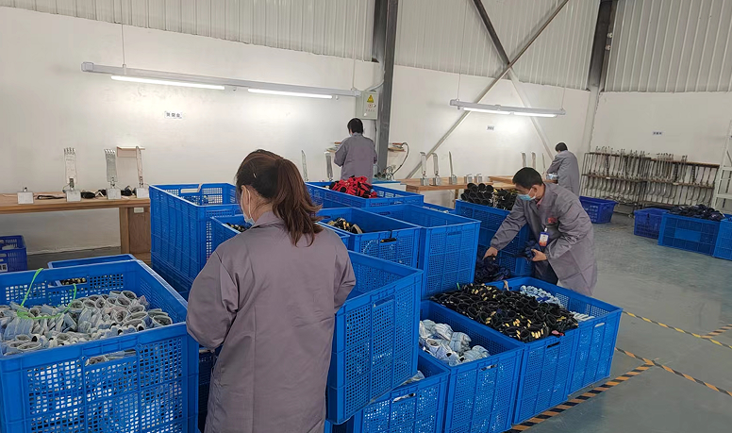 | 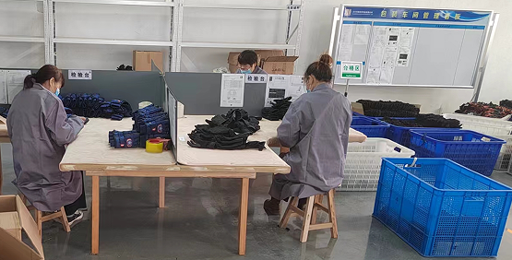 | 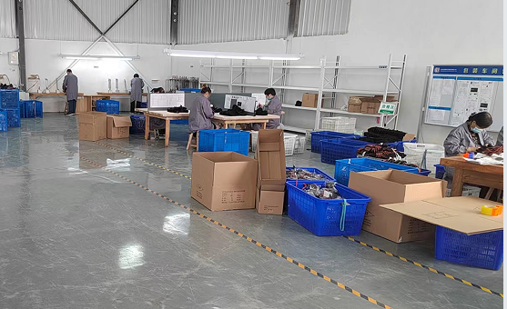 | 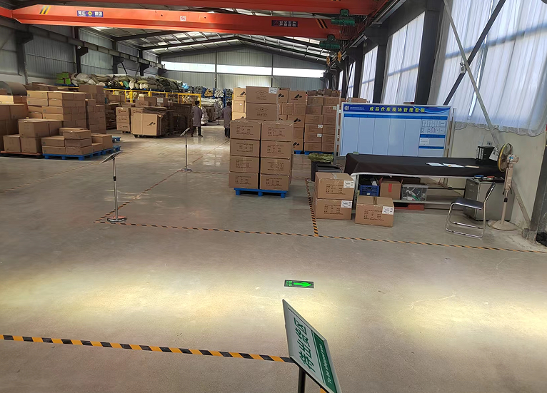 | 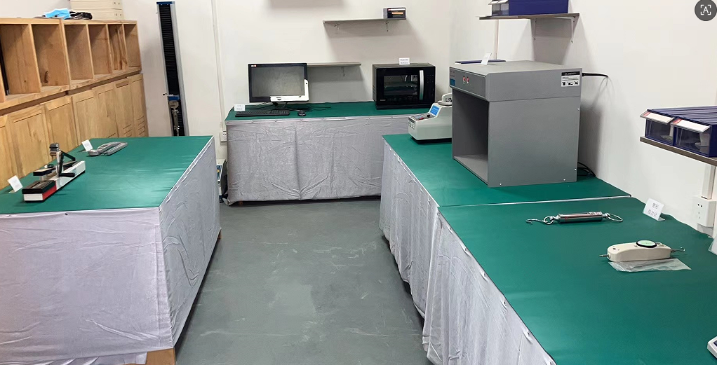
PHOTO 16 | PHOTO 17 | PHOTO 18 | PHOTO 19 | PHOTO 20

PHOTO 21 | PHOTO 22 | PHOTO 23 | PHOTO 24 | PHOTO 25

PHOTO 26 | PHOTO 27 | PHOTO 28 | PHOTO 29 | PHOTO 30

PHOTO 31 | PHOTO 32 | PHOTO 33 | PHOTO 34 | PHOTO 35

PHOTO 36 | PHOTO 37 | PHOTO 38 | PHOTO 39 | PHOTO 40

PHOTO 41 | PHOTO 42 | PHOTO 43 | PHOTO 44 | PHOTO 45

PHOTO 46 | PHOTO 47 | PHOTO 48 | PHOTO 49 | PHOTO 50

3 - ASSESS RESULTS
 | QUALITY ASSESSMENT RESULT
 |  |  |  |  |  |  |  |  | [Q] TEMP_084_WW | F - EN

 | Firm & name of site |  |  | Shandong Dongyao
 | Assess date |  |  | 2026/1/26-2026/1/27
 | Auditor |  |  | Lucas pan
 | Production Leader |  |  | Xin Yun
 | Type |  |  | CAP review (done by Quality Auditor)
 | Type of supplier |  |  | KEY ACCOUNT SUPPLIER
 | Supplier Status |  |  | Active supplier
 | Conclusion of Audit

 | GLOBAL RESULT
 | GLOBAL QUALITY LEVEL ==> |  |  | C |  | Gap to target (Audited points only) |  | 0%
 | GLOBAL QUALITY COMPLETION ==> |  |  | 39% |  | Gap to target (Audited points only) |  | 0

 | PRIORITIES MAPPING

 |  | E=>D | D=>C | C=>B | B=>A | COMPLETION | LEVEL
1 | 1.1. Leadership of Quality |  | OK | Not audited | Not audited | 33% | C
2 | 1.2. Internal Quality Management |  | OK | Not audited | Not audited | 33% | C
3 | 1.3. Document Management |  | OK | Not audited | Not audited | 50% | C
4 | 1.4. Contract Management |  | OK | Not audited | Not audited | 33% | C
 | 1.5. R&D and innovative capacity |  | Not applicable | Not applicable | Not applicable | 33% | A
5 | 2.1. Skills management |  | OK | Not audited | Not audited | 33% | C
6 | 3.1. Stocks management and packaging |  | OK | Not audited | Not audited | 33% | C
7 | 3.2. Workstation |  | OK | Not audited | Not audited | 33% | C
8 | 3.3. Identification and traceability |  | OK | Not audited | Not audited | 33% | C
9 | 3.4. Control plan: Product and process parameters | OK | OK | Not audited | Not audited | 50% | C
10 | 3.5. Calibration |  | OK | OK | Not audited | 67% | B
11 | 3.6. Maintenance |  | OK | Not audited | Not audited | 33% | C
12 | 3.7. Suppliers management |  | OK | Not audited | Not audited | 33% | C
 | 3.8. ZDHC management |  | Not applicable | Not applicable | Not applicable | #DIV/0! | A
13 | 4.1. Management of non conform products | OK | OK | Not audited | Not audited | 50% | C

 | CLOSING MEETING REPORT
 | GENERAL COMMENT :
 | The general system of quality is built.
 | POSITIVE POINTS :
 | 1. Sum uo top 1 defects and take action to solve
 | IMPROVEMENT POINTS :
 | 1.. Skill management

5 - CAP - EN
 | QUALITY ASSESSMENT REPORT
 | Firm & name of site |  | Shandong Dongyao | compulsory
 | Assess date |  | 2026/1/26-2026/1/27 | compulsory
 | Assessor |  | Lucas pan | compulsory
 | Production Leader |  | Xin Yun | compulsory
 | Production Leader attended during assessment |  | Xin Yun | compulsory
 | Observers |  | - | compulsory
 | Main people met |  | Ms Zhang, Ms Tang, Jen | compulsory
 | Process steps assessed |  | Warehouse, cutting, sewing | compulsory
 | Process steps supplied |  | HUGSS | compulsory
 | Type |  | CAP review (done by Quality Auditor) | compulsory, select before audit
 | Type of supplier |  | KEY ACCOUNT SUPPLIER | compulsory, select before audit
 | Supplier Status |  | Active supplier | compulsory, select before audit

 | GLOBAL QUALITY LEVEL ==> |  | C

CHAPTER 1 - QUALITY LEADERSHIP IN THE COMPANY - INTERNAL QUALITY MANAGEMENT
1. 1. Leadership of Quality -- The management create the conditions for a self-improving system to delight sports users
 | LEVEL=> | C | COTATION=> | 33%
 |  |  | STRONG POINTS | POINTS TO IMPROVE | FINDING PICTURE | ROOT CAUSE FOR NON-CONFORMITY | ROOT CAUSE FOR NON-DETECTION | RESOLUTION: WHO | RESOLUTION: WHEN | RESOLUTION: HOW | EVIDENCE (PICTURE)
C | Quality axis and targets are translated into concrete actions and measured by relevant KPIs adapted to the concerned level of the organisation. Quality targets, axis and KPIs are communicated throughout the company. Quality KPIs are monitored and are understood by employees in their scope of responsibilities. EXAMPLE : > Quality Axis: We want to improve customer delight > Quality target: We will reduce the customers returns : < 150 ppm > Quality Indicator (KPI) is return rate ("RPM") > Action : Each month we analyse RPM figures and Top 5 will be discussed with problem solving methodology | Not audited
B | The Quality Management System ("QMS") is under a continuous improvement and demonstrates sustainable performance. A management review* is done on a regular basis, with : - Relevant concerned people - Relevant decision makers people Frequency is defined and respected by the company. *Management review meeting must includes at least, reviewing of: > Terms and sustainability of the quality policy > Relevancy of quality axis, targets and KPIs > Performance of the QMS (e.g. standards, procedures, controls records) > Efficiency of the correctives/preventives actions implemented > Internal assessment results > Claims and returns performances analysis Output of the management review meeting must include: - Decision of Actions (with : Who, What, When information) - Approval / validation of the meeting minutes by the top management. | Not audited

1.2. Internal Quality Management --- The supplier describes his way to manage internal Quality
 | LEVEL=> | C | COTATION=> | #REF!
 |  |  | STRONG POINTS | POINTS TO IMPROVE | FINDING PICTURE | ROOT CAUSE FOR NON-CONFORMITY | ROOT CAUSE FOR NON-DETECTION | RESOLUTION: WHO | RESOLUTION: WHEN | RESOLUTION: HOW | EVIDENCE (PICTURE)
C | A management review of the processes and procedures is performed regularly to determine the need for change and improvement in order to adapt the system to the risk and stakes. The review routine / frequency is defined and applied by the supplier. Internal quality assessment is done to evaluate compliance with the requirements describe in the QMS. Actions plans are set up accordingly to solve the gaps identified. Frequency of internal assessment is adapted to the stakes of company. | Not audited
B | Action plans progress and their efficiency are reviewed on a regular basis by the quality team. There is a dedicated and experienced team to manage and follow the internal assessment process. The supplier improves his QMS by using specific management tools to monitor the performance and/ or the organisation of the system (e.g.: Qualios, DrivUp) | Not audited

1.3. Document Management -- The supplier ensure the documentation available on site is relevant and up to date
 | LEVEL=> | C | COTATION=> | 50%
 |  |  | STRONG POINTS | POINTS TO IMPROVE | FINDING PICTURE | ROOT CAUSE FOR NON-CONFORMITY | ROOT CAUSE FOR NON-DETECTION | RESOLUTION: WHO | RESOLUTION: WHEN | RESOLUTION: HOW | EVIDENCE (PICTURE)
C | A management process to create, validate and communicate the documentation is implemented to ensure the follow-up and the update of the documentation available for the workers (printed or digitalized version). | Not audited

1.4. Contract Management -- The comitments between Decathlon and the supplier are clear
 | LEVEL=> | C | COTATION=> | 33%
 |  |  | STRONG POINTS | POINTS TO IMPROVE | FINDING PICTURE | ROOT CAUSE FOR NON-CONFORMITY | ROOT CAUSE FOR NON-DETECTION | RESOLUTION: WHO | RESOLUTION: WHEN | RESOLUTION: HOW | EVIDENCE (PICTURE)
C | A management routine is implemented and respected to ensure updates and signatures of the concerned documentation. Deployment of the technical requirement to non-nominated rank 2 suppliers. The supplier (rank 1) analyzes Decathlon's specifications (accessories, components, chemical products and semi-finished goods), translates them in its documentary system, completing them if necessary and communicates them to its own suppliers. e.g.: technicals sheets for: > accessories > components > chemicals > semi-finished products. The respect of rank 2 suppliers commitment can be assessed through: > A commitment certificate from rank 2 supplier. > Regular relevant tests reports of Rank 2 supplier. > Relevant incoming controls of Rank 1 supplier. | Not audited
B | Supplier defines and follow a process to ensure that specifications send to its own suppliers (rank 2) are up to date regarding Decathlon technical (TechPack) and contractual documentation. | Not audited

1.5. R&D and innovative capacity -- The supplier is mastering the innovation in the product development
 | LEVEL => | A | COTATION=> | 100%
 |  |  | STRONG POINTS | POINTS TO IMPROVE | FINDING PICTURE | ROOT CAUSE FOR NON-CONFORMITY | ROOT CAUSE FOR NON-DETECTION | RESOLUTION: WHO | RESOLUTION: WHEN | RESOLUTION: HOW | EVIDENCE (PICTURE)

CHAPTER 2 - RESSOURCES MANAGEMENT
2.1. Skills management -- People have the right skills at each step of the process.
 | LEVEL=> | C | COTATION=> | 33%
 |  |  | STRONG POINTS | POINTS TO IMPROVE | FINDING PICTURE | ROOT CAUSE FOR NON-CONFORMITY | ROOT CAUSE FOR NON-DETECTION | RESOLUTION: WHO | RESOLUTION: WHEN | RESOLUTION: HOW | EVIDENCE (PICTURE)
C | PRODUCTION skills ability There is an up to date list of trained and validated people to perform the manufacturing, maintenance and process parameters monitoring operations including: > Training date and validation status (e.g.: quiz, on site feedback formalized) > Trainer's name > Training content adapted to the topic Formalisation of the training process There is a staff training procedure that specifies how, when and who to: > Train > Evaluate > Validate > Maintain competency over time Training documents are available and up to date. Job sheet with necessary skills are defined for each position. The HR or team manager are able to build and monitor competencies. | Not audited |  |  | 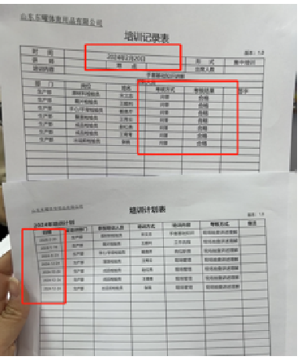 | 人： 1）QM没有合理安排全年培训计划 2）培训内容不全面，不足以支撑一个持续稳定的质量体系 法： 1）培训时没有列清楚具体参考文件，不够标准化 2）只用“问答”的考核方式不能很好验证工人是否完全掌握对应岗位所需检验技能 3）判定结果“合格”没有清晰的“判定依据”来源 | K知识： 1）QM缺乏如何进行技能管理与监控的能力 A指派： 1）工厂没有指派专人检查QM的培训质量和QC能力建立与监控水平 T工具： 1）没有选择书面记录方式来考核工人 | 张巧苓 | 2026-02-02 | A指派： 1) 指派业务Jen对QM进行一年两次的技能管理考核 T培训： 1）QM根据QC岗位职责和QC技能薄弱项安排24年培训内容，并按计划进行培训和填好记录 T工具： 1）编写考卷并定义合格分数 2）制作“技能培训与考核”作业指导书，张贴现场让工人知悉 3）根据培训进度与考核结果及时更新QC技能矩阵图 | 2.1技能管理
B | Skills matrix or replacement matrix Employees in charge and their replacements in case of absence are identified. Continuous improvement For each position in the company, the needs of new skills or training is identified and addressed. Training competencies: There is a list of validated trainers and a clear procedure to validate the trainers (with pedagogic scale, external validation) | Not audited

CHAPTER 3 - OPERATIONNAL ACTIVITIES
3.1. Stocks management and packaging (accessories, components, raw materials, semi-finished goods and finished products) -- The stocks are accurate and well organised
 | LEVEL=> | C | COTATION=> | 33%
 |  |  | STRONG POINTS | POINTS TO IMPROVE | FINDING PICTURE | ROOT CAUSE FOR NON-CONFORMITY | ROOT CAUSE FOR NON-DETECTION | RESOLUTION: WHO | RESOLUTION: WHEN | RESOLUTION: HOW | EVIDENCE (PICTURE)
C | For all storage areas - Specific storage conditions are defined and applied (e.g.: temperature, humidity, stability control) Definition of the storage condition can be done according to: > Risk analysis > Storage DPR/DCS > Safety data sheet information > MTS requirements > Long term storage requirements Packaging are adapted to the risks linked to storage, handling and transportation. Supplier is able to give a reliable storage state of raw materials and products ready to ship. The informations reconciles between the theoretical stock and the physical stock. In case of differences, the supplier has a process in place to adjust the stock regularly. | Not audited
B | The supplier is able to manage the stock of raw material, components/semi-finished goods and accessories according to the production planning and/or considering the risks and stakes (e.g.: strategic products aligned with Decathlon). e.g.: > For each job/ work order, the supplier knows exactly the quantities of raw materials, components and accessories requested to manufacture a product. > The supplier has defined its production capacities per machine and labour. > The supplier knows which machines are available, which machines can't be used because of maintenance operations and has defined a clear planning of what is planned. | Not audited

3.2. Workstation -- Workstations are designed to create the best conditions to produce. The right informations are availables.
 | LEVEL=> | C | COTATION=> | 33%
 |  |  | STRONG POINTS | POINTS TO IMPROVE | FINDING PICTURE | ROOT CAUSE FOR NON-CONFORMITY | ROOT CAUSE FOR NON-DETECTION | RESOLUTION: WHO | RESOLUTION: WHEN | RESOLUTION: HOW | EVIDENCE (PICTURE)
...

