Sheet1
北京探路者户外用品股份有限公司核价单
款式图 | 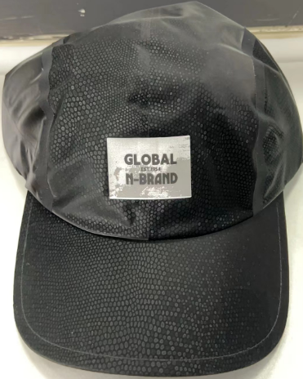 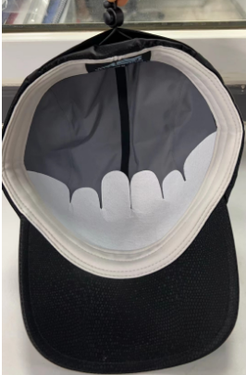 贴上正反面款式图、或者照片 |  |  |  |  | 款式名称： | 无缝软片六片帽 |  | 渠道： |  | 开发季： |  | 生产工厂：
 |  |  |  |  |  | 成衣编号： | XXX |  | 品牌： |  | 开发类型： |  | 生产数量：
 |  |  |  |  |  | 设计师： | XXX |  | 事业部： |  | 开发工厂： |  | 审核日期：
 |  |  |  |  |  | 开发员： | XXX |  | 系列： |  | 制单日期：
 | 物 料 信 息 |  |  |  |  |  |  |  | 采 购 信 息
序号 | 物料类型 | 物料名称 | 物料编号 | 成分 | 应用部位 | 规格1（面料可裁幅宽、辅料型号等） | 规格2（面料克重、辅料长度等） | 单位 | 单耗 | 损耗 | 单价 | 金额(元) | 费用占比 | 供应商
1 | 面料 | 波点纹面料，同帽样 |  | 100%Polyester | 帽冠/上下眉 | 145CM |  | 米 | 0.170 | 115% | 23.0000000 | ¥4.50 | 9.81%
1 | 面料 | 凉感吸排腈纶小提花 |  | 100%Polyester | 汗带 | 145CM |  | 米 | 0.070 | 115% | 15.6000000 | ¥1.26 | 2.74%
1 | 面料 | 无缝条 |  |  | 帽子里面拼缝连接 | 145CM |  | 米 | 1.650 | 115% | 2.8500000 | ¥5.41 | 11.79%
2 | 辅料 | 帽衬/舌芯/无纺布/尺寸带/调节带/前片转印标等 |  |  |  |  |  |  | 1.000 | 105% | 10.0500000 | ¥10.55 | 23.01%
4 | 吊牌及包装 |  |  |  |  |  |  |  | 1.000 | 105% | 2.0000000 | ¥2.10 | 4.58%
5 | 厂供物料 | 测试费用+运费 |  |  |  |  |  |  | 1.000 | 103% | 1.5000000 | ¥1.55 | 3.37%
6 | OEM款式 | LOP价格(直接人工+税金+利润+运费) |  |  |  |  |  |  | 1.000 | 100% | 20.5000000 | ¥20.50 | 44.70%
7 | 最低起订量 | 每款每色1000顶 |  |  |  |  |  |  |  |  |  | ¥45.86

 | 行数可自行添加；LOP按照5000-7999件的订单量计算。 运费参考：仓库地点天津、太仓各占一半. 物料类型一列可更改内容。

